Instructions
FY2025 Transfer Form Instructions

 | I. General Information

 |  | One version of this form should be submitted to FSP as an Excel file (not PDF) before the end of the last business day of each month at budget_transfers@etal.uri.edu
 |  | in order to be included with the monthly upload. Please submit one form per fund (i.e., one for fund 100, one for fund 101 if applicable, etc.). For Funds 100 and 106 please separate OTO and PERM transfers on the two tabs.

 | In-file instructions/info

 |  | Most table headings/cells provide some information or instructions relevant to the corresponding column/cell.
 |  | This information can be viewed when selecting (clicking the mouse within) the appropriate column heading/cell.

 | Sections

 |  | There are two sections in each form: a data input section (highligted in green), and a calculation section.
 |  | All green fields are required for an accurate transfer form. Change any input data as needed.
 |  | Use as much as possible the drop-down lists in the input sections (where applicable).

 | IMPORTANT - File integrity

 |  | This form uses precise cell location in its formulas. Accordingly, it is essential to maintain this file's integrity:
 |  |  | Do not add or delete columns. Do not delete or change column headings.
 |  |  | Do not delete the values in the input sections.
 |  |  | Do not delete the formulas in the calculation section.
 |  |  | Do not sort the data (use filters instead).
 |  |  | Adding rows is permitted only in the indicated spaces (see more details below, under the form's detailed instructions section).

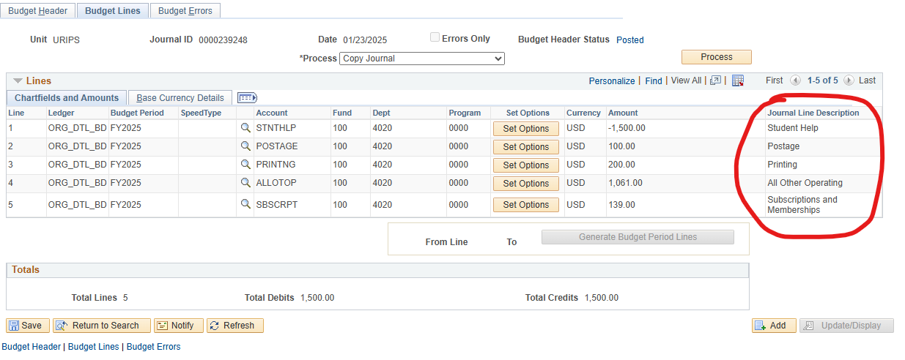
 | II. Detailed Information and Instructions

 |  | The expense forms can be used only for transfers within expense accounts.

 |  | Please enter permanent transfers on the "PERM EXPENSE Transfer Form" tab; and one-time-only transfers on the "OTO EXPENSE Transfer Form."
 |  |  | Descriptions/notes should be entered in Column D on these tabs.
 |  |  | The first 30 characters from Column D will be included under the "Journal Line Description" field when the transfers are posted to PeopleSoft.
 |  |  | In the "Amount" column, enter positive round numbers to increase the budget in the corresponding account, and negative numbers to
 |  |  | decrease the budgeted amount.

 |  | If the situation requires, a row or more can be inserted to accommodate the need for more data. The table has a shaded row and a warning at the
 |  | bottom of the table indicating the row number where the new row can be inserted. In general, a row can be inserted anywhere above the shaded
 |  | row (the formulas in this table will not calculate anything below this row, and nothing will be printed if written below this row).

 |  | There are two methods to insert a row:
 |  |  | 1. copy an entire row and change the appropriate data in the input data section (if applicable).
 |  |  | 2. insert a blank row and copy all the formulas from above in the green cells that appear in the calculation section.

 | III. Contact Information

 |  | For troubleshooting contact us at:

 |  | financial-strategy-planning-group@uri.edu

