Instructions
FY2023 Allocation - Fringe Calculator - Instructions

 |  | TOP |  |  | General Information | Basic Calculator | Variance Calculator |  | Multiple Positions Calculator | Codes & Rates | ⓘ

 | Click on a link above!

 | General Information

 |  | The calculators on this file will compute the salary and fringe benefit amounts for biweekly personnel.

 | File structure

 |  | There are 4 worksheets (tabs) in this file:
 |  |  | • three tabs, each containing a calculator:
 |  |  |  | - a basic calculator;
 |  |  |  | - a variance calculator;
 |  |  |  | - a calculator for multiple positions;
 |  |  | • one tab that contains various codes and rates necessary for calculations;
 |  |  | • one tab that contains instructions for using the calculators.

 | Budget cycle

 |  | All calculators are based on the rates applicable to a certain budget cycle.
 |  | The calculators found on this file are applicable to the FY2023 Allocation budget cycle.

 | Fringe benefits rates

 |  | All rates found on this file are subject to change. These calculators will be updated periodically to reflect these changes.
 |  | Also, the user has the option of changing the rates if required (see the 'Codes & Rates' tab instructions for more details).
 |  | Account 5294 (BOG Employer Cost-Ret Medical Ins) was now added to these calculators. See the detailed instructions on how to use this rate.
 |  | Account 5282 (TIAA Hybrid Plan) was now added to these calculators. This rate will be automatically calculated.

 | In-file instructions/info

 |  | Most table headings/cells provide some information or instructions relevant to the corresponding column/cell.
 |  | This information can be viewed when selecting (clicking the mouse within) the appropriate column heading/cell.

 | In-cell drop-down list

 |  | In many instances, the values that need to be entered in a particular column are either repetitive, or need to be in a very precise format.
 |  | To accommodate this requirement, a drop-down list was created inside each cell in those columns.

 | Sections

 |  | There are two sections in each calculator: a data input section, and a results section.
 |  | Use as much as possible the drop-down lists in the input sections.

 | Data input requirements

 |  | The calculations are based on a number of factors such as: yearly salary, position type, corresponding union, health plan, etc.
 |  | Input the data in no particular order. However, all fields are required for an accurate result. Change any input data as needed.

 | File integrity

 |  | These calculators used precise cell location in their formulas. Accordingly, it is essential to maintain this file's integrity.
 |  | Do not add or delete columns.
 |  | Do not delete or change column headings.
 |  | Do not delete the values in the input sections (the required data section on the 'Calculator - Multiple Positions' tab).
 |  | Do not delete the formulas in the results sections.
 |  | Adding rows is permitted only in the 'Calculator - Multiple Positions' tab (see the 'Calculator - Multiple Positions' tab for more details)
 |  | Do 'Cut' & 'Paste' data. As much as possible, try not to use 'Copy' & "Paste' - use 'Copy' & "Paste Values' instead.

 | Basic Calculator

 |  | The basic calculator computes the salary and fringe benefits amounts for one person/position.

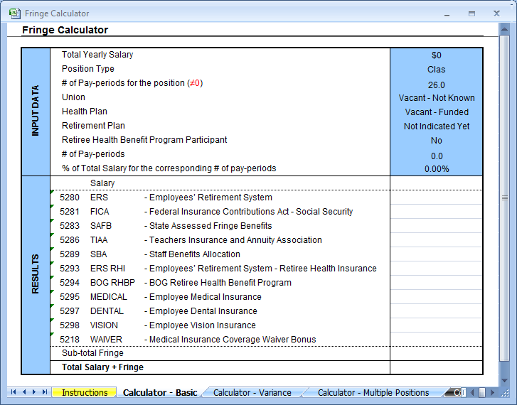

 |  | As mentioned, use as much as possible the drop-down lists in the input section. The drop-down list can be used as follows:
 |  |  | 1. Click inside the cell to initiate the list.
 |  |  | 2. Click the list button that appears to the right of the activated cell.
 |  |  | 3. Choose the desired value from the list.

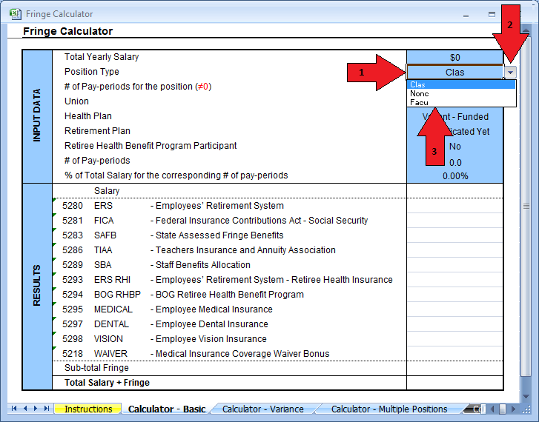

 |  | For more information, select (click the mouse within) the corresponding description cell:

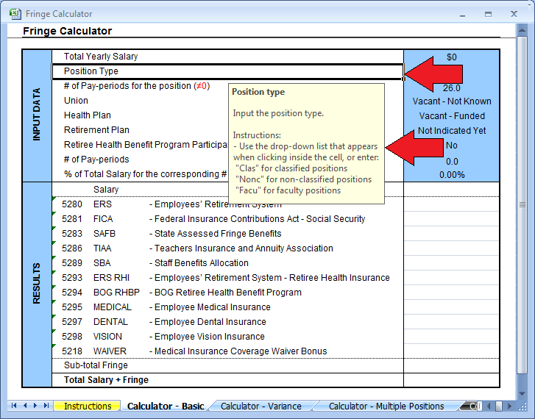

 |  | Please note the new account 5294 (BOG Retiree Health Benefit Program). To compute the amount for this fringe amount, the calculator needs an
 |  | indication on whether or not the employee is participating in this program. Type "Yes" or "No" as appropriate. Note that the employees participating
 |  | in this program can only be part of NUNC, PSA or PTAA.

 | Variance Calculator

 |  | The variance calculator computes the effect of changing the input data on the salary and fringe benefits amounts for one person/position.

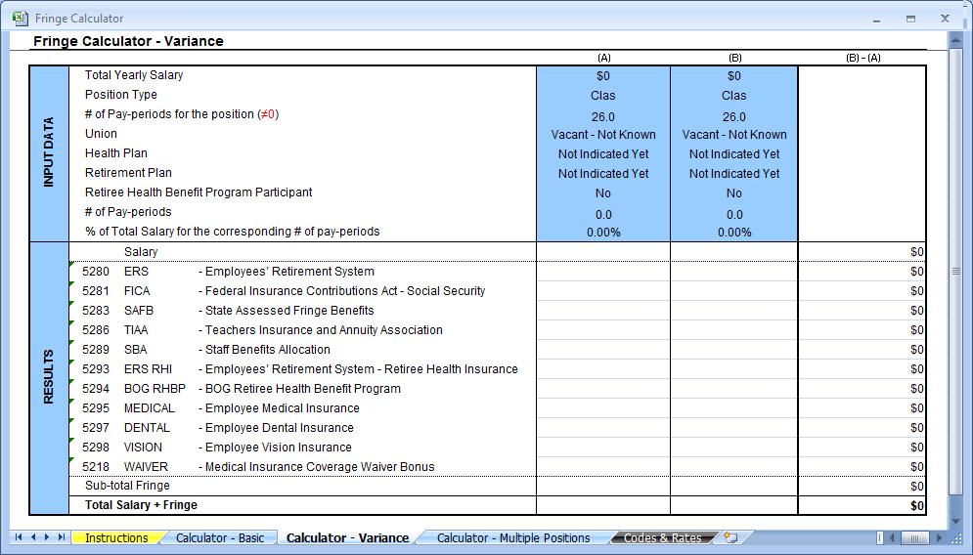

 |  | This calculator was designed mainly for assisting with computing the amounts needed for budget transfers when changes in a
 |  | position's salary, health plan, etc. occur.

 |  | Use the input fields to enter the desired changes. The claculator will point to the changed data and calculate the corresponding variance amounts.
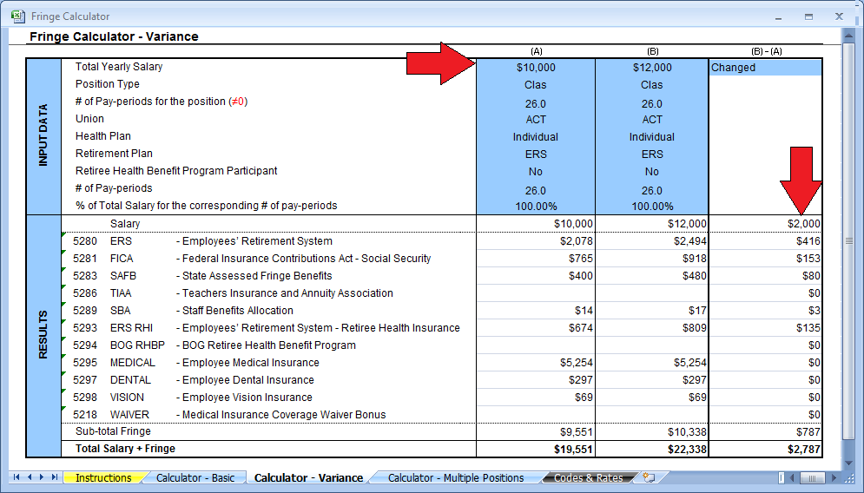

 | Multiple Positions Calculator

 |  | This calculator computes the salary and fringe benefits amounts for multiple persons/positions.

 |  | Several columns have been included for some pertinent optional data: CFS, position #, name, etc. These columns are not required
 |  | for salary and fringe calculations, and can be left blank if desired (click column headings for more info).

 |  | If the situation warrants, a row can be inserted to accommodate the need for more data. The table has a shaded row and a warning at the
 |  | bottom of the table indicating the row number where the new row can be inserted. In general, a row can be inserted anywhere above
 |  | the shaded row (the formulas in this table will not calculate anything below this row, and nothing will be printed if written below this row)

 |  | There are two methods to insert a row:
 |  |  | 1. copy an entire row and change the appropriate data in the input data section.
 |  |  | 2. insert a blank row; input all the data in the red cell in the input data section; and copy all the formulas in the red cells in the results
 |  |  | section.

 |  | The subtotals in row 3 work in conjunction with the data filters: the data is summarized according to the values filtered. Thus, if the data
 |  | is filtered (or grouped) by certain criteria (e.g. CFS), the subtotals will show the sum of the amounts for that particular group.

 | Codes & Rates

 |  | This tab contains the rates and data factors required to arrive at salary increases and fringe calculations.
 |  | Please do not alter this page unless instructed to do so

 |  | If instructed, change the pertinent data as follows:
 |  | • In the rates by union tables:
 |  |  | - if values are the same by union category, make changes in the CLAS, NONC, or FACU columns only;
 |  |  | - if values are not the same by union category, override formula in the appropriate union column.
 |  | • In the other rates table:
 |  |  | - input the new value.

 | Contact Information

 | For troubleshooting contact the Budget & Financial Planning Office at: |  |  |  |  |  |  | 874-2509

