Avedisian 170
Row | Seat | Student Name
A | 1 | 1 | < Can Edit |  |  | Intructions
A | 2 | 2 | < Can Edit
A | 3 | 3 | < Can Edit |  |  | Cells except student name are locked to prevent accidental editing, the password is 170
A | 4 | 4 | < Can Edit |  |  | Names entered in column C will automatically appear on the seating chart
A | 5 | 5 | < Can Edit
A | 6 | 6 | < Can Edit
A | 7 | 7 | < Can Edit
A | 8 | 8 | < Can Edit
A | 9 | 9 | < Can Edit
A | 10 | 10 | < Can Edit
A | 11 | 11 | < Can Edit | 170 Seating Chart
B | 1 | 12 | < Can Edit
B | 2 | 13 | < Can Edit | L | 8 | 158 | K | 13 | 150 | J | 13 | 137 | I | 15 | 124 | H | 15 | 109 | G | 15 | 94 | F | 14 | 79 | E | 14 | 65 | D | 13 | 51 | C | 13 | 38 | B | 14 | 25
B | 3 | 14 | < Can Edit | L | 7 | 157 | K | 12 | 149 | J | 12 | 136 | I | 14 | 123 | H | 14 | 108 | G | 14 | 93 | F | 13 | 78 | E | 13 | 64 | D | 12 | 50 | C | 12 | 37 | B | 13 | 24
B | 4 | 15 | < Can Edit | L | 6 | 156 | K | 11 | 148 | J | 11 | 135 | I | 13 | 122 | H | 13 | 107 | G | 13 | 92 | F | 12 | 77 | E | 12 | 63 | D | 11 | 49 | C | 11 | 36 | B | 12 | 23
B | 5 | 16 | < Can Edit | L | 5 | 155 | K | 10 | 147 | J | 10 | 134 | I | 12 | 121 | H | 12 | 106 | G | 12 | 91 | F | 11 | 76 | E | 11 | 62 | D | 10 | 48 | C | 10 | 35 | B | 11 | 22 | A | 11 | 11
B | 6 | 17 | < Can Edit | L | 4 | 154 | K | 9 | 146 | J | 9 | 133 | I | 11 | 120 | H | 11 | 105 | G | 11 | 90 | F | 10 | 75 | E | 10 | 61 | D | 9 | 47 | C | 9 | 34 | B | 10 | 21 | A | 10 | 10
B | 7 | 18 | < Can Edit | L | 3 | 153 | K | 8 | 145 | J | 8 | 132 | I | 10 | 119 | H | 10 | 104 | G | 10 | 89 | F | 9 | 74 | E | 9 | 60 | D | 8 | 46 | C | 8 | 33 | B | 9 | 20 | A | 9 | 9
B | 8 | 19 | < Can Edit | L | 2 | 152 | K | 7 | 144 | J | 7 | 131 | I | 9 | 118 | H | 9 | 103 | G | 9 | 88 | F | 8 | 73 | E | 8 | 59 | D | 7 | 45 | C | 7 | 32 | B | 8 | 19 | A | 8 | 8
B | 9 | 20 | < Can Edit | L | 1 | 151 | K | 6 | 143 | J | 6 | 130 | I | 8 | 117 | H | 8 | 102 | G | 8 | 87 | F | 7 | 72 | E | 7 | 58 | D | 6 | 44 | C | 6 | 31 | B | 7 | 18 | A | 7 | 7
B | 10 | 21 | < Can Edit
B | 11 | 22 | < Can Edit
B | 12 | 23 | < Can Edit |  |  |  | K | 5 | 142 | J | 5 | 129 | I | 7 | 116 | H | 7 | 101 | G | 7 | 86 | F | 6 | 71 | E | 6 | 57 | D | 5 | 43 | C | 5 | 30 | B | 6 | 17 | A | 6 | 6
B | 13 | 24 | < Can Edit |  |  |  | K | 4 | 141 | J | 4 | 128 | I | 6 | 115 | H | 6 | 100 | G | 6 | 85 | F | 5 | 70 | E | 5 | 56 | D | 4 | 42 | C | 4 | 29 | B | 5 | 16 | A | 5 | 5
B | 14 | 25 | < Can Edit |  |  |  | K | 3 | 140 | J | 3 | 127 | I | 5 | 114 | H | 5 | 99 | G | 5 | 84 | F | 4 | 69 | E | 4 | 55 | D | 3 | 41 | C | 3 | 28 | B | 4 | 15 | A | 4 | 4
C | 1 | 26 | < Can Edit |  |  |  | K | 2 | 139 | J | 2 | 126 | I | 4 | 113 | H | 4 | 98 | G | 4 | 83 | F | 3 | 68 | E | 3 | 54 | D | 2 | 40 | C | 2 | 27 | B | 3 | 14 | A | 3 | 3
C | 2 | 27 | < Can Edit |  |  |  | K | 1 | 138 | J | 1 | 125 | I | 3 | 112 | H | 3 | 97 | G | 3 | 82 | F | 2 | 67 | E | 2 | 53 | D | 1 | 39 | C | 1 | 26 | B | 2 | 13 | A | 2 | 2
C | 3 | 28 | < Can Edit |  |  |  |  |  |  |  |  |  | I | 2 | 111 | H | 2 | 96 | G | 2 | 81 | F | 1 | 66 | E | 1 | 52 |  |  |  |  |  |  | B | 1 | 12 | A | 1 | 1
C | 4 | 29 | < Can Edit |  |  |  |  |  |  |  |  |  | I | 1 | 110 | H | 1 | 95 | G | 1 | 80
C | 5 | 30 | < Can Edit
C | 6 | 31 | < Can Edit
C | 7 | 32 | < Can Edit
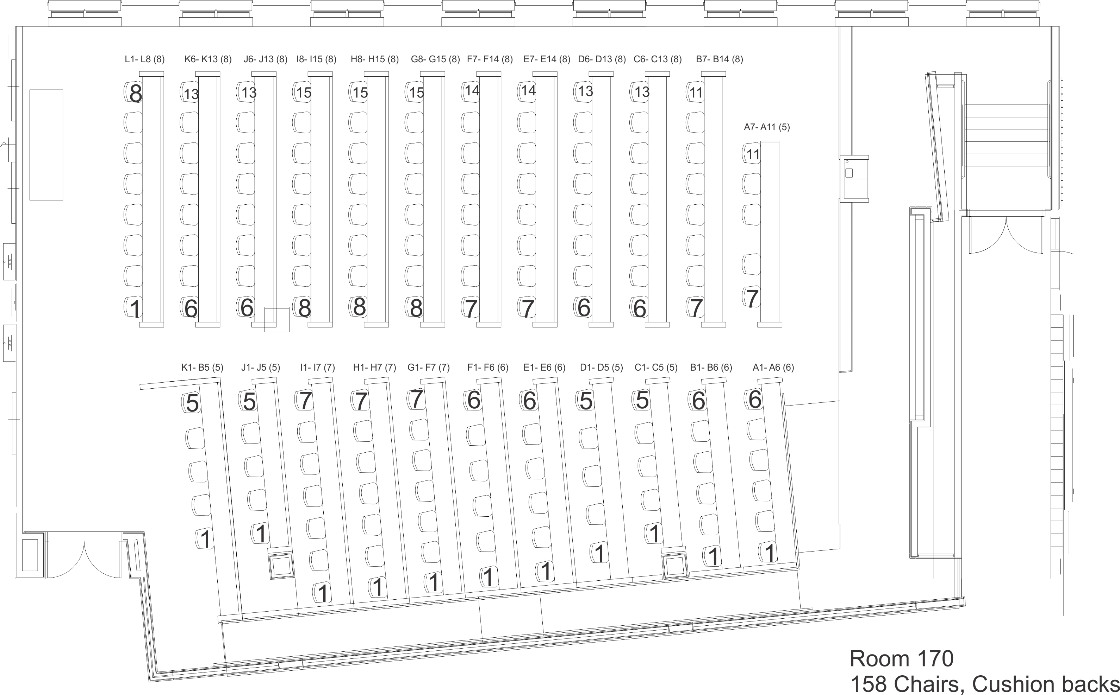
C | 8 | 33 | < Can Edit
C | 9 | 34 | < Can Edit
C | 10 | 35 | < Can Edit
C | 11 | 36 | < Can Edit
C | 12 | 37 | < Can Edit
C | 13 | 38 | < Can Edit
D | 1 | 39 | < Can Edit
D | 2 | 40 | < Can Edit
D | 3 | 41 | < Can Edit
D | 4 | 42 | < Can Edit
D | 5 | 43 | < Can Edit
D | 6 | 44 | < Can Edit
D | 7 | 45 | < Can Edit
D | 8 | 46 | < Can Edit
D | 9 | 47 | < Can Edit
D | 10 | 48 | < Can Edit
D | 11 | 49 | < Can Edit
D | 12 | 50 | < Can Edit
D | 13 | 51 | < Can Edit
E | 1 | 52 | < Can Edit
E | 2 | 53 | < Can Edit
E | 3 | 54 | < Can Edit
E | 4 | 55 | < Can Edit
E | 5 | 56 | < Can Edit
E | 6 | 57 | < Can Edit
E | 7 | 58 | < Can Edit
E | 8 | 59 | < Can Edit
E | 9 | 60 | < Can Edit
E | 10 | 61 | < Can Edit
E | 11 | 62 | < Can Edit
E | 12 | 63 | < Can Edit
E | 13 | 64 | < Can Edit
E | 14 | 65 | < Can Edit
F | 1 | 66 | < Can Edit
F | 2 | 67 | < Can Edit
F | 3 | 68 | < Can Edit
F | 4 | 69 | < Can Edit
F | 5 | 70 | < Can Edit
F | 6 | 71 | < Can Edit
F | 7 | 72 | < Can Edit
F | 8 | 73 | < Can Edit
F | 9 | 74 | < Can Edit
F | 10 | 75 | < Can Edit
F | 11 | 76 | < Can Edit
F | 12 | 77 | < Can Edit
F | 13 | 78 | < Can Edit
F | 14 | 79 | < Can Edit
G | 1 | 80 | < Can Edit
G | 2 | 81 | < Can Edit
G | 3 | 82 | < Can Edit
G | 4 | 83 | < Can Edit
G | 5 | 84 | < Can Edit
G | 6 | 85 | < Can Edit
G | 7 | 86 | < Can Edit
G | 8 | 87 | < Can Edit
G | 9 | 88 | < Can Edit
G | 10 | 89 | < Can Edit
G | 11 | 90 | < Can Edit
G | 12 | 91 | < Can Edit
G | 13 | 92 | < Can Edit
G | 14 | 93 | < Can Edit
G | 15 | 94 | < Can Edit
H | 1 | 95 | < Can Edit
H | 2 | 96 | < Can Edit
H | 3 | 97 | < Can Edit
H | 4 | 98 | < Can Edit
H | 5 | 99 | < Can Edit
H | 6 | 100 | < Can Edit
H | 7 | 101 | < Can Edit
H | 8 | 102 | < Can Edit
H | 9 | 103 | < Can Edit
H | 10 | 104 | < Can Edit
H | 11 | 105 | < Can Edit
H | 12 | 106 | < Can Edit
H | 13 | 107 | < Can Edit
H | 14 | 108 | < Can Edit
H | 15 | 109 | < Can Edit
I | 1 | 110 | < Can Edit
I | 2 | 111 | < Can Edit
I | 3 | 112 | < Can Edit
I | 4 | 113 | < Can Edit
I | 5 | 114 | < Can Edit
I | 6 | 115 | < Can Edit
I | 7 | 116 | < Can Edit
I | 8 | 117 | < Can Edit
I | 9 | 118 | < Can Edit
I | 10 | 119 | < Can Edit
I | 11 | 120 | < Can Edit
I | 12 | 121 | < Can Edit
I | 13 | 122 | < Can Edit
I | 14 | 123 | < Can Edit
I | 15 | 124 | < Can Edit
J | 1 | 125 | < Can Edit
J | 2 | 126 | < Can Edit
J | 3 | 127 | < Can Edit
J | 4 | 128 | < Can Edit
J | 5 | 129 | < Can Edit
J | 6 | 130 | < Can Edit
J | 7 | 131 | < Can Edit
J | 8 | 132 | < Can Edit
J | 9 | 133 | < Can Edit
J | 10 | 134 | < Can Edit
J | 11 | 135 | < Can Edit
J | 12 | 136 | < Can Edit
J | 13 | 137 | < Can Edit
K | 1 | 138 | < Can Edit
K | 2 | 139 | < Can Edit
K | 3 | 140 | < Can Edit
K | 4 | 141 | < Can Edit
K | 5 | 142 | < Can Edit
K | 6 | 143 | < Can Edit
K | 7 | 144 | < Can Edit
K | 8 | 145 | < Can Edit
K | 9 | 146 | < Can Edit
K | 10 | 147 | < Can Edit
K | 11 | 148 | < Can Edit
K | 12 | 149 | < Can Edit
K | 13 | 150 | < Can Edit
L | 1 | 151 | < Can Edit
L | 2 | 152 | < Can Edit
L | 3 | 153 | < Can Edit
L | 4 | 154 | < Can Edit
L | 5 | 155 | < Can Edit
L | 6 | 156 | < Can Edit
L | 7 | 157 | < Can Edit
L | 8 | 158 | < Can Edit

