Revenue-Sales
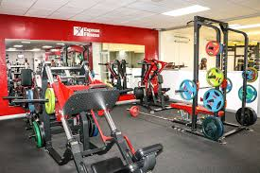
Kingston Fitness Center Example

Recording and Analyzing Sales on the Income Statement
in one Sales account, the first line on the
Income Statement |  |  | One Year | One Year
From 1st line on the IS | 2019 | 2020 | Change Amount | Change %

Sales | $318,000 | $242,400 | $(75,600) | -23.77%
How do we analyze? Compare to actual past, budget, key competitors, industry

The decline can be caused by two broad factors Price and Volume
Let's analyze
We need to answer the question ?
What do we think caused the decrease? Price or Volume
If we have recorded the number of customers we can compare that and divide Sales/Total customers to see the mix of sales volume and pricing
But knowing the basic factors is only the first step. We need to know why price and/or volume changed. Will this change continue or will an uncontrollable factor change it, or can we do something to make it better going forward.?
In this case the change is negative. So we need to ask the question: How can we turn it around?
Controllable vs non controllable? Use Porter's 5 forces model to analyze. Look at Customers, Competitors, Potential new competitors and substitutes, Suppliers/Employees, and we might add a 6th government regulation
What are the options
Modify products, drop products, add products, change products, change distribution, find new uses for products and new types of customers, change geographical scope, etc
Raise or lower prices. Improve processes - customer acquisition, customer retention, distribution, train or change employees, buy equipment, hire consultants
Write down the few best ideas for increasing sales in the next year and beyond. Need focus, can't make too many changes

AFTER ANALYSIS WE DEVELOP PLANS FOR THE FUTURE AND MODEL THE PLANED FINANCIAL RESULTS
1. Change in Sales | Budget for 2021
Volume increase | 10%
From volume increase | $24,240.00 | Why will volume increase? Especially important if price is increased
Sales after volume increase | $266,640
Price increase | 5% | Why increase price?
From price increase | $13,332
Sales after volume and price increase | $279,972 | Budget for 2021

THAT SAID THE DATA IS NOT GOOD ENOUGH TO MAKE THE SOUNDEST PLANS
WITH MORE DETAIL ON SALES WE COULD BE MORE CERTAIN IN OUR ANALYSIS

IF THE ACCOUNTING SYSTEM ALLOWS AND THE COST IS LESS THAN THE BENEFIT A COMPANY CAN ACQUIRE ACCOUNTING SOFTWARE AND HARDWARE TO COLLECT SALES BY PRODUCT OR PRODUCT LINE

Product by Product Sales with price and volume changes
 | 2019 --------------------- -------
PRIOR YEAR |  | Monthly | Monthly | Annual
Revenue: | Price | No. Sold | Revenue | Revenue
Basic gym | $40.00 | 100 | $4,000 | $48,000
Gym and Classes | $60.00 | 150 | $9,000 | $108,000
Personal Training (hrs/month) | $50.00 | 180 | $9,000 | $108,000
Ballet Lessons | $15.00 | 300 | $4,500 | $54,000
Total Revenues |  |  | $26,500 | $318,000
Annual Revenues |  |  | $318,000

2020--------------------------------------------------------------------
Revenue: | Price | No. Sold | Monthly Revenue | Decrease from Price | Decrease from Volume | Annual Revenue
Basic gym | $30 | 90 | $2,700 | $900.00 | $400 | $32,400
Gym and Classes | $50 | 110 | $5,500 | $1,100.00 | $2,400 | $66,000
Personal Training (hrs/month) | $50.00 | 180 | $9,000 | $- | $0 | $108,000
Ballet Lessons | $15.00 | 200 | $3,000 | $- | $1,500 | $36,000
Total Revenues |  |  | $20,200 |  |  | $242,400

Comparison-------------------------------------------------------------------------------------------------------------------------------------------
 | 2019 Revenue | 2020 Revenue | Change
Basic gym | $48,000 | $32,400 | $(15,600)
Gym and Classes | $108,000 | $66,000 | $(42,000) | We now see where most of the problem is -WHY
Personal Training (hrs/month) | $108,000 | $108,000 | $-
Ballet Lessons | $54,000 | $36,000 | $(18,000)
Total | $318,000 | $242,400 | $(75,600)
It would be helpful if the system also captured :
Sales to existing customers
Sales to new customers
Customers lost/churn

USING PRIOR YEAR DATA TO MAKE A BUDGET THE FOLLOWING YEAR
Assume they plan to add yoga to their classes and increase promotion, resulting in 10% increase in volume. They will increase prices on gym and classes by 10% and personal training by $5 an hour and increase nutrition prices by 10%

2021 BUDGET | CHANGE FROM PRIOR YEAR
Revenue: | Volume Changes | Price Changes | Price | No. Sold | Revenue
Basic gym | 10% | 10% | $44.00 | 110 | $4,840
Gym and Classes | 10% | 10% | $66.00 | 165 | $10,890
Personal Training (hrs/month) | 10% | $5.00 | $55.00 | 198 | $10,890
Ballet Lessons | 10% | 10% | $16.50 | 330 | $5,445

Total Monthly Revenues |  |  |  |  | $32,065
Total Annual Revenues assuming no seasonality (could adjust if people go more or less some seasons) |  |  |  |  | $384,780

Let's move to how Expenses are/should be reported on the Income Statement
Back to slides

Cash Flow Statement
Kingston Fitness Center
Cash Flow Statement
 | 2019 | 2020
Cash Flow from Operating Activities
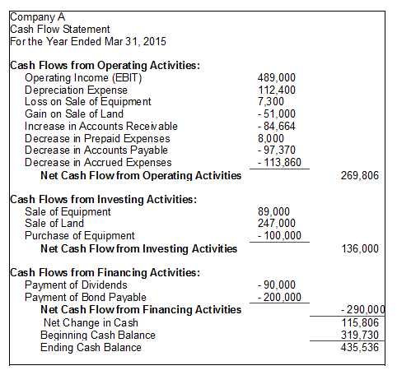
Net Income | $38,927 | $9,526
ADD:
Depreciation and Amortization | $16,200 | $16,200
Add Loss on Sale of Fixed Assets | $- | $-
Deduct Gain on Sale of Fixed Assets | $- | $-
Add decrease in A/R, Deduct + in A/R | $- | $-
Add decrease in Prepaid Expenses | $- | $-
Add decrease in Inventory, Deduct + | $- | $-
Deduct decrease in A/P, Add + | $6,000 | $(3,000)
Deduct decrease in Accrued Expenses, Add + | $4,500 | $(2,100)
Net Cash Inflow from Operating Activities | $65,627 | $20,626

Cash Flow from Investing Activities
Employee repayment of loan receivable | $- | $2,000
Purchase of Gym equipment | $(24,000)
Purchases of Vehicles | $- | $-
Purchase of Building | $- | $-
Net Cash Flow from Investing Activities | $(24,000) | $2,000

Cash Flow from Financing Activities
Borrowing SBA loan in 2020 | $- | $46,520
Repayment of Bank Loan | $(20,000) | $(22,000)
Repayment of Member Loans | $5,000
Member Distributions | $(10,000) | $(10,000)
Additions to Equity | $- | $-
Net Cash Flow from Financing Activities | $(25,000) | $14,520

Net Cash Flow | $16,627 | $37,146
Beginning Cash Balance | $5,000 | $21,627
Cash at year end | $21,627 | $58,773

